To publish
Customer | Project name | Region | Connection location (substation or circuit) | Max MW | Connection voltage | Technology | Transpower stage | Status Flag | Stage % complete | Status | Consented | Estimated connection livening date
Harmony Energy Ltd | Waihou BESS | Waikato | Waihou | 100 | 33 | BESS | Delivery | ● | 90% | Construction |  | 2026-07-01 | Status flag key
Eastland Generation Limited | TOPP 2 Geothermal | Bay of plenty | Kawerau | 55!(30) | 220 | Geothermal | Delivery | ● | 90% | Construction | Yes | 2025-08-01 | ● Progressing normally
Contact Energy Limited | Glenbrook BESS (Contact) | Auckland | Glenbrook | 100 | 33 | BESS | Delivery | ● | 80% | Construction | Yes | 2025-10-01 | ●C Awaiting customer action
Todd Generation Limited | Te Rahui Solar Farm (Otamatea) | Hawkes Bay | WRK_WHI | 400 | 220 | Solar | Delivery | ● | 60% | Construction | Yes | 2026-03-01 | ●T Awaiting Transpower action
Genesis Energy | Solar farm at Edgecumbe | Bay of Plenty | Edgecumbe | 115 | 33 | Solar | Delivery | ●T | 60% | Detailed design | Yes | 2026-06-01 | ● On hold
Horizon Energy Distribution Limited | FNSF Omeheu Solar farm (embedded) | Bay of Plenty | Edgecumbe | 29 | 33 | Solar | Delivery | ● | 60% | Construction | Yes | 2025-09-01
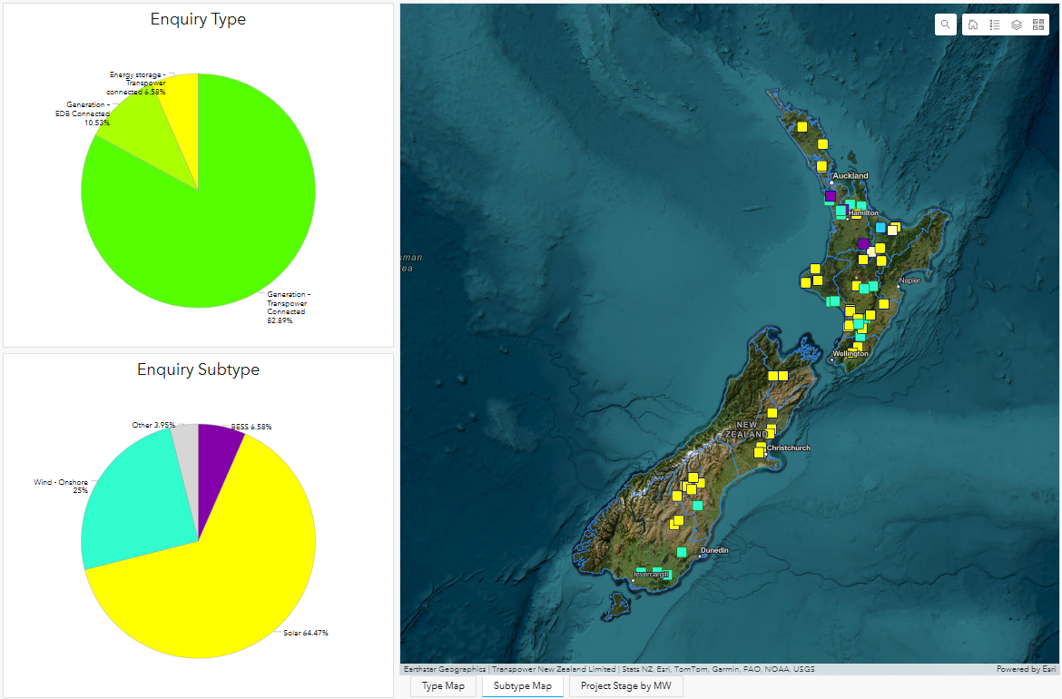
ESCO Pacific | Solar at Dannevirke | CNI | Dannevirke | 25 | 11 | Solar | Delivery | ● | 50% | Detailed design |  | 2025-12-01
Far North Solar Farm Ltd | The Point Solar Farm | South Canterbury | BEN_ISL-A | 300 | 220 | Solar | Delivery | ● | 40% | Detailed design |  | 2027-06-01
NZ Clean Energy | Masterton Solar and BESS | Wairarapa | Masterton | 91 | 33 | Solar + BESS | Delivery | ● | 30% | Detailed design | Yes | 2026-12-01
Mainpower New Zealand Limited | Mt Cass windfarm | Canterbury | Waipara | 93 | 66 | Wind | Delivery | ● | 5% | On hold | Yes | TBC
Waikato Solar Farms Limited | Solar Farm at Waerenga | Waikato | HLY_OTA | 314 | 220 | Solar | Delivery | ● | 5% | On hold |  | TBC
Waikato Solar Farms Limited | Solar farm at Rangiriri West | Waikato | OTA_WKM | 214 | 220 | Solar | Delivery | ● | 5% | On hold | Yes | TBC
Far North Solar Farm Ltd | Greytown Solar Farm | Wellington | Greytown | 158 | 110 | Solar | Delivery | ● | 5% | Starting delivery |  | 2028-05-01

 |  | Region | Connection location (substation or circuit) | Max MW | Connection voltage | Technology | Transpower stage | Status Flag | Stage % complete | Status | Consented | Estimated TP scope completion date
 |  | Northland | HEN_MDN | 200 | 220 | Solar | Investigation | ● | 95% | Contracting |  | Complete
 |  | CNI | BPE_LTN | 126 | 220 | Wind | Investigation | ● | 95% | Contracting | Yes | Complete
 |  | Waikato | Huntly | 100 | 220 | BESS | Investigation | ● | 95% | Contracting | Yes | Complete
 |  | Otago-Southland | NMA_TMH_A | 155 | 220 | Wind | Investigation | ● | 95% | Contracting | Yes | Complete
 |  | CNI | Te Mihi | 190!(132) | 220 | Geothermal | Investigation | ● | 95% | Contracting | Yes | Complete
 |  | CNI | MGM_MST | 90 | 110 | Wind | Investigation | ●C | 70% | Early stage design | Yes | TBA
 |  | South Canterbury | Ohau A | 222 | 220 | Solar | Investigation | ● | 70% | Early stage design |  | TBA
 |  | CNI | Waipawa (South) | 100 | 110 | Solar + BESS | Investigation | ●T | 55% | Early stage design | Yes | TBA
 |  | Taranaki | Stratford | 32 | 33 | Solar | Investigation | ●C | 50% | Early stage design |  | TBA
 |  | Canterbury | HOR_ISL | 100 | 66 | Solar + BESS | Investigation | ● | 50% | Early stage design |  | TBA
 |  | Wellington | Masterton | 100 | 110 | Solar + BESS | Investigation | ● | 35% | Early stage design | Yes | TBA
 |  | CNI | Marton | 50 | 110 | Solar + BESS | Investigation | ● | 33% | Early stage design | Yes | TBA
 |  | Taranaki | Opunake | 77 | 110 | Solar + BESS | Investigation | ● | 33% | Early stage design | Yes | TBA
 |  | CNI | Bunnythorpe | 300 | 220 | Solar + BESS | Investigation | ● | 33% | Early stage design |  | TBA
 |  | Taranaki | Huirangi | 75 | 110 | Solar + BESS | Investigation | ● | 33% | Early stage design |  | TBA
 |  | Waikato | Hinuera | 80 | 33 | Solar + BESS | Investigation | ● | 30% | On hold |  | TBA
 |  | CNI | Tangiwai | 110 | 220 | Solar + BESS | Investigation | ● | 28% | Early stage design | Yes | TBA
 |  | Hawkes Bay | Waipawa (North) | 100 | 110 | Solar + BESS | Investigation | ● | 22% | Early stage design |  | TBA
 |  | Otago-Southland | Naseby | 300 | 220 | Solar + BESS | Investigation | ● | 20% | On hold |  | TBA
 |  | South Canterbury | Twizel | 350 | 220 | Solar | Investigation | ● | 14% | Early stage design |  | TBA
 |  | Waikato | WHU_WKO | 157 | 110 | Wind | Investigation | ● | 14% | Early stage design |  | TBA
 |  | CNI | Dannevirke | 72 | 110 | Solar + BESS | Investigation | ● | 14% | Early stage design |  | TBA
 |  | Nelson | Argyle | 80 | 110 | Solar | Investigation | ●C | 14% | Early stage design |  | TBA
 |  | South Canterbury | CHH_TWZ | 300 | 220 | Solar | Investigation | ●C | 12% | Early stage design |  | TBA
 |  | CNI | BPE_WRK_1, BPE_TNG_1 | 275 | 220 | Wind | Investigation | ● | 12% | Early stage design |  | TBA
 |  | Waikato | HLY_DEV | 300 | 220 | Solar | Investigation | ● | 10% | On hold |  | TBA
 |  | CNI | Marton | 25 | 33 | Solar | Investigation | ● | 10% | Early stage design |  | TBA
 |  | Taranaki | Huirangi | 68 | 33 | BESS | Investigation | ● | 8% | On hold |  | TBA
 |  | Northland | HEN_MDN | 120 | 220 | Solar | Investigation | ● | 8% | Early stage design |  | TBA
 |  | CNI | Waipawa (South) | 43 | 33 | Solar | Investigation | ● | 8% | On hold |  | TBA | Note subtype in the above graphic is based on the primary technology for mixed technology projects
 |  | CNI | Marton | 29 | 33 | Solar | Investigation | ● | 8% | Early stage design | Yes | TBA
 |  | Canterbury | ISL_KIK | 200 | 220 | Solar | Investigation | ● | 8% | Early stage design |  | TBA
 |  | South Canterbury | Waitaki/ LIV_WTK | 130 | 220/110 | Wind | Investigation | ● | 8% | Early stage design |  | TBA
 |  | Otago-Southland | NMA_TMH_A | 330 | 220 | Wind | Investigation | ● | 8% | Early stage design |  | TBA
 |  | CNI | BPE_HAY | 180 | 220 | Solar | Investigation | ● | 8% | Early stage design |  | TBA
 |  | Waikato | Whakamaru (North) | 300 | 220 | BESS | Investigation | ● | 8% | Early stage design |  | TBA
 |  | CNI | Mangamaire | 50 | 33/110 | Wind | Investigation | ● | 8% | Early stage design |  | TBA
 |  | Auckland | Glenbrook | 80 | 33 | Wind | Investigation | ● | 8% | Early stage design |  | TBA
 |  | Nelson | Kikiwa | 100 | 220/110 | Solar | Investigation | ●C | 2% | Early stage design |  | TBA
 |  | Canterbury | Waipara | 120 | 220/66 | Solar | Investigation | ●C | 2% | Starting |  | TBA
 |  | Waikato | Ohinewai | 300 | 220 | Wind | Investigation | ● | 2% | Starting |  | TBA
 |  | CNI | Tangiwai | 120 | 220 | Solar + BESS | Investigation | ● | 2% | Starting |  | TBA
 |  | Taranaki | BRK_SFD | 750 | 220 | Solar + Wind | Investigation | ● | 2% | Starting |  | TBA
 |  | Canterbury | ROX_ISL_A | 450 | 220 | Solar + BESS | Investigation | ● | 0% | On hold |  | TBA
 |  | Otago-Southland | NMA_TMH_A | 300 | 220 | Wind | Investigation | ● | 0% | On hold |  | TBA
 |  | Taranaki | Opunake | 86 | 33 | Solar | Investigation | ● | 0% | On hold | Yes | TBA
 |  | CNI | Mangahao | 30 | 33 | Solar | Investigation | ● | 0% | On hold | Yes | TBA

 |  | Region | Connection location (substation or circuit) | Max MW | Connection voltage | Technology | Transpower stage | Sequence number |  | Status |  | Estimated date to progress to investigation
 |  | Taranaki | BRK_SFD_A | 200 | 220 | Wind | Application | 1 |  | Confirmed |  | July
 |  | CNI | Bunnythorpe | 525 | 220 | Solar + BESS | Application | 2 |  | Confirmed |  | July
 |  | Waikato | Piako | 110 | 33 | Solar | Application | 3 |  | Confirmed |  | Aug
 |  | Northland | MDN_MPE / MSD_HPI | 120 | 110/220 | Wind | Application | 4 |  | Confirmed |  | Aug
 |  | CNI | BPE_WKM | 500 | 220 | Solar | Application | 5 |  | Confirmed |  | Aug
 |  | Waikato | HLY_TMN / HLY_SFD | 315 | 220 | Wind | Application | 6 |  | Confirmed |  | Sep
 |  | Otago-Southland | HWB_ROX | 165 | 110 | Wind | Application | 7 |  | Confirmed |  | Sep
 |  | Waikato | HLY_SFD, HLY_TWH | 400 | 220 | Wind + BESS | Application | 8 |  | Confirmed |  | Oct
 |  | CNI | BPE_BRK | 200 | 220 | Solar + BESS | Application | 9 |  | Confirmed |  | Oct
 |  | South Canterbury | BEN_ISL-A | 180 | 220 | Solar + BESS | Application | 10 |  | Confirmed |  | Oct
 |  | South Canterbury | ISL-TKB-1, TKB | 250 | 220 | Solar | Application | 11 |  | Confirmed |  | Nov
 |  | Northland | Kaikohe | 50 | 110 | Solar + Wind | Application | 12 |  | Confirmed |  | Nov
 |  | CNI | Linton | 230 | 220 | Wind | Application | 13 |  | Confirmed |  | Dec
 |  | CNI | Mangamaire | 40 | 33 | Solar | Application | 14 |  | Confirmed |  | Dec
 |  | Bay of Plenty | EDG-TRK | 56 | 110/220 | Hydro + Geothermal | Application | 15 |  | Confirmed |  | 2026-02-01
 |  | South Canterbury | NSY_ROX-1 | 220 | 220 | Solar + BESS | Application | 16 |  | Confirmed |  | 2026-02-01
 |  | South Canterbury | ROX_ISL | 310 | 220 | Solar + BESS | Application | 17 |  | Confirmed |  | 2026-02-01
 |  | South Canterbury | ROX_TWZ | 400 | 220 | Solar + BESS | Application | 18 |  | Confirmed |  | 2026-03-01
 |  | Canterbury | ISL_KIK | 600 | 220 | Solar + BESS | Application | 19 |  | Confirmed |  | 2026-03-01
 |  | CNI | BPE–TKU–1_2 | 400 | 220 | Wind | Application | 20 |  | Confirmed |  | 2026-04-01
 |  | Waikato | NAP-OKI-2 | 150 | 220 | Solar + BESS | Application | 21 |  | Received |  | 2026-04-01
 |  | Auckland | Glenbrook | 280 | 33 | BESS | Application | 22 |  | Confirmed |  | 2026-04-01
 |  | Southland | Edendale | 259 | 110 | Wind | Application | 23 |  | Confirmed |  | 2026-05-01
 |  | Canterbury | ISL_KIK | 200 | 220 | Solar + BESS | Application | 24 |  | Confirmed |  | 2026-05-01
 |  | Waikato | Glenbrook | 200 | 220 | BESS | Application | 25 |  | Received |  | 2026-06-01
 |  | Canterbury | ISL_KIK | 310 | 220 | Solar + BESS | Application | 26 |  | Confirmed |  | 2026-06-01

Notes
1. The location is given as the substation where a project will connect, or if a new substation is required, the transmission circuit.
2. This list includes generation projects requiring new or upgraded Transpower assets; generation projects connecting to an electricity distribution network and not requiring new or upgraded Transpower assets are not shown.
3. Sequence numbers (for investigations and applications) will be updated as and when projects move to a new stage or are withdrawn; or if a customer with two or more projects with consecutive sequence numbers prioritises a project with a higher number.
4. An Applications sequence number indicates the order in which Transpower will allocate internal resources to new connection investigations and the order in which Transpower will allocate physical assets (spare Transpower transmission assets and land) at the proposed point of connection. An accepted connection application does not guarantee access to transmission capacity beyond the point of connection and does not guarantee the project will proceed to commissioning. For investigations the sequence number indicates the order in which projects entered the investigation stage. Investigations can move into delivery when the investigation is complete, the sequence number will not apply to this transition.
5. Stage % Complete - Approximate progress of the project through the relevant stage based project milestones completed in the project schedule. Progress in delivery is progress for the Transpower connection only, not for the associated generation. Timeframes for delivery contracting will vary as they are dependent on bilateral negotiation and each customer's investment decision process. Progress is dependent on both Transpower work and customer decisions at key stage gates. Where customers are unable to make timely decisions progress may stall. Stalled projects may be put on hold so resources can be re-allocated to other waiting projects.
! - Max MW value includes existing generation of () MW as part of the new connection
* - Progressed based on no requirement for new Transpower capital assets for this connection, similar to the treatment of embedded generation connections with no requirement for new Transpower capital assets
^ - Multple applications merged into a single (more efficient) connection

